PFC 817481
Process Flow Chart |  |  |  | Plant : |  | Press Shop | 1
IXL Part Number: | 818245 | Date (Orig.): | 8-May-26 |  | Date (rev.):
Part # / Description: | WAG-12H-0006323 BRACKET-BODY HARN | Issued by: | Greg Steenvoorden

640237 M6 x 20 LG. Grade 8.8 F/H WELD STUD ( x 3 )
703272 2.5 HA3P 2440 x 1220 SHT

818245LBWE
Laser Cut Blank
Operation 10

818245BWE
Bend
Operation 20

818245WE
Weld
Operation 30

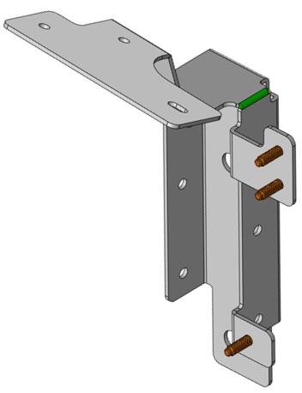

818245E
E'Coat
Operation 40

818245
PACK
CARTON #613058
25 / BOX

Operation
Inspection
Storage
Transportation
Delay

